Block Diagram
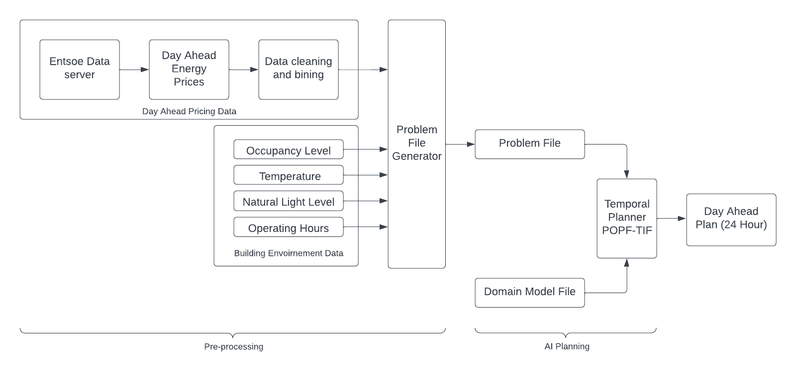
Block Diagram of System

Day Ahead Prices
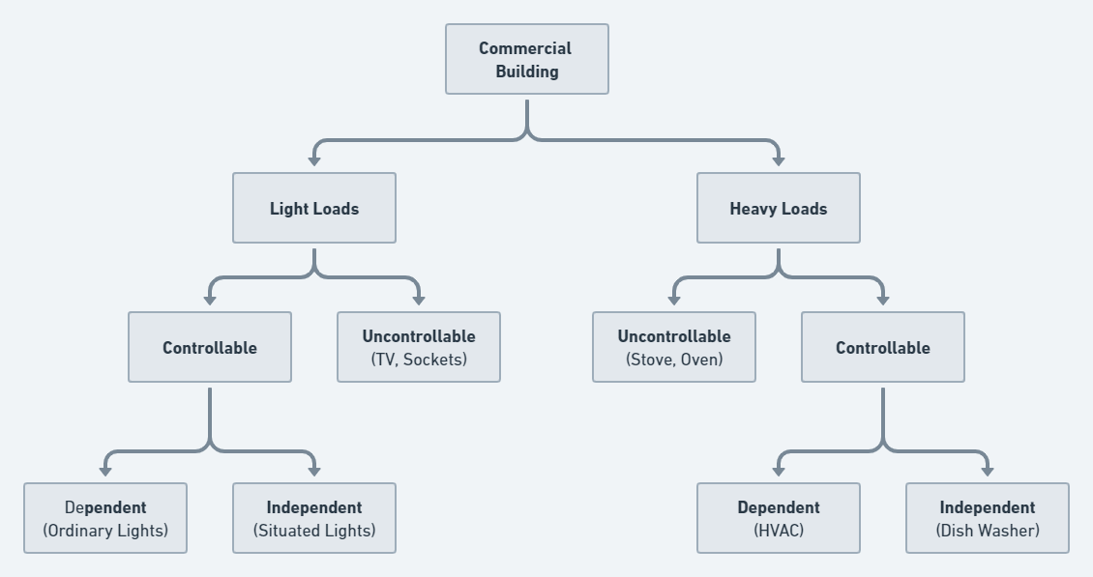
Day-ahead Prices |  |  | Project Implimentation Map: | Output
Day-ahead Prices [12.1.D] |  |  |  | scenario 1
06.02.2023 00:00 - 07.01.2023 00:00 - CET/CEST |  |  |  |  | Parameters | state
MTU | BZN|DE-LU |  |  |  | Weekday | Yes
 | Day-ahead Price | Currency |  |  | Occupancy in Hours | 7 hours ( High)
 | [EUR/KWh] |  |  |  | Natural Light level | High
00:00 - 01:00 | 107.21 | EUR |  |  | Temperature in optimum range | yes
01:00 - 02:00 | 101.1 | EUR
02:00 - 03:00 | 96.73 | EUR
03:00 - 04:00 | 82.34 | EUR |  | scenario 2 | Note: Change in Occupancy with respect to Plan 1
04:00 - 05:00 | 81.93 | EUR |  |  | Parameters | state
05:00 - 06:00 | 84.03 | EUR |  |  | Weekday | Yes
06:00 - 07:00 | 97.25 | EUR |  |  | Occupancy in Hours | 4 hours(Low)
07:00 - 08:00 | 106.51 | EUR |  |  | Natural Light level | High
08:00 - 09:00 | 120.7 | EUR |  |  | Temperature in optimum range | yes
09:00 - 10:00 | 116.86 | EUR
10:00 - 11:00 | 112.85 | EUR
11:00 - 12:00 | 113.37 | EUR |  | scenario 3 | Note: Change in Natural Light with respect to Plan 1
12:00 - 13:00 | 115 | EUR |  |  | Parameters | state
13:00 - 14:00 | 109.78 | EUR |  |  | Weekday | Yes
14:00 - 15:00 | 119.71 | EUR |  |  | Occupancy in Hours | 7 hours
15:00 - 16:00 | 125.83 | EUR |  |  | Natural Light level | Low
16:00 - 17:00 | 139.57 | EUR |  |  | Temperature in optimum range | yes
17:00 - 18:00 | 155.93 | EUR
18:00 - 19:00 | 163.5 | EUR
19:00 - 20:00 | 146.74 | EUR |  | scenario 4 | Note: Change in Temp Range with respect to Plan 1
20:00 - 21:00 | 139.38 | EUR |  |  | Parameters | state
21:00 - 22:00 | 131.8 | EUR |  |  | Weekday | Yes
22:00 - 23:00 | 129.94 | EUR |  |  | Occupancy in Hours | 7 hours
23:00 - 00:00 | 121.3 | EUR |  |  | Natural Light level | High
Day Ahead Price
 |  |  |  |  | Temperature in optimum range | No

 |  |  |  | Weekend scenario: | Parameters | state
 |  |  |  |  | Weekday | NO
 |  |  |  |  | Occupancy in Hours | OFF
 |  |  |  |  | Natural Light level | OFF
 |  |  |  |  | Temperature in optimum range | OFF

WeekDay_Dataset
 |  |  |  |  |  |  |  |  |  |  | Commericial building dataset with no optimization technique applied
Dataset Without Temporal Planning |  |  |  |  |  |  |  |  |  |  | Data taken from office of Energy Efficiency & Renewable Energy US
Daily Hours | Tariff per hour (Eur/KW) | Tariff | Light Load Uncontrollable(KW) | Light load controllable Dependent (KW) | Light Load Controllable Independent (KW) | Heavy Load Controllable Dependent (KW) | Heavy Load Controllable Independent (KW) | Heavy Load uncontrollable (KW) | Total Energy usage (KW) | Cost per Hour (Eur)
1 | 107.21 | Low | 5.86 | 7.93 | 2.43 | 4.92 | 0.09 | 0.00 | 21.22 | € 2,274.57
2 | 101.1 | Low | 5.09 | 6.93 | 1.43 | 4.92 | 0.88 | 0.00 | 19.23 | € 1,944.63 | Building type | Floor area (FT^2) | Number of floors
3 | 96.73 | Low | 5.98 | 5.34 | -0.16 | 4.92 | 0.46 | 0.00 | 16.55 | € 1,600.57 | Medium office | 53,628 | 3
4 | 82.34 | Low | 6.32 | 5.34 | -0.16 | 2.92 | 0.16 | 0.00 | 14.58 | € 1,200.52
5 | 81.93 | Low | 6.94 | 5.34 | -0.16 | 2.92 | 0.88 | 0.00 | 15.93 | € 1,304.75
Cost per Hour
6 | 84.03 | Low | 7.66 | 7.80 | 2.30 | 4.84 | 0.62 | 0.00 | 23.23 | € 1,951.95
7 | 97.25 | Low | 18.91 | 16.51 | 11.01 | 4.84 | 1.04 | 28.90 | 81.21 | € 7,897.81
8 | 110.51 | Nominal | 30.19 | 19.49 | 13.99 | 149.52 | 1.60 | 39.36 | 254.15 | € 28,086.42
9 | 120.7 | Nominal | 51.41 | 26.33 | 20.83 | 448.57 | 1.10 | 114.94 | 663.17 | € 80,044.75
10 | 116.86 | Nominal | 57.89 | 26.24 | 20.74 | 448.57 | 2.09 | 131.87 | 687.41 | € 80,330.48
11 | 112.85 | Nominal | 49.37 | 21.74 | 16.24 | 448.57 | 1.33 | 339.34 | 876.60 | € 98,924.31
12 | 113.37 | Nominal | 47.40 | 19.34 | 13.84 | 448.57 | 1.83 | 343.32 | 874.31 | € 99,120.62
13 | 115 | Nominal | 46.52 | 19.19 | 13.69 | 448.57 | 3.27 | 249.34 | 780.57 | € 89,765.17
14 | 109.78 | Low | 37.28 | 19.26 | 13.76 | 448.57 | 3.52 | 256.01 | 778.40 | € 85,452.73
15 | 119.71 | Nominal | 42.99 | 19.26 | 14.20 | 448.57 | 3.45 | 258.12 | 786.59 | € 94,162.18
16 | 125.83 | Nominal | 45.32 | 19.26 | 13.36 | 448.57 | 4.88 | 356.23 | 887.62 | € 111,688.95
17 | 139.57 | High | 24.81 | 19.26 | 14.36 | 448.57 | 4.02 | 351.44 | 862.46 | € 120,373.06
18 | 155.93 | High | 15.76 | 18.18 | 12.68 | 348.89 | 3.17 | 344.06 | 742.74 | € 115,816.10
19 | 163.5 | High | 20.17 | 32.61 | 19.20 | 249.20 | 1.06 | 242.26 | 564.50 | € 92,295.62
20 | 146.74 | High | 27.66 | 36.81 | 19.95 | 249.20 | 1.58 | 240.56 | 575.78 | € 84,489.46
21 | 139.38 | High | 26.98 | 36.43 | 21.24 | 149.52 | 1.60 | 139.55 | 375.33 | € 52,313.78
22 | 131.8 | High | 22.23 | 36.10 | 16.56 | 110.52 | 0.60 | 121.24 | 307.26 | € 40,496.50
23 | 129.94 | Nominal | 18.95 | 30.95 | 12.65 | 49.84 | 0.37 | 0.00 | 112.76 | € 14,652.23
24 | 121.3 | Nominal | 9.00 | 17.43 | 5.24 | 24.92 | 0.48 | 0.00 | 57.06 | € 6,921.61
Total cost of the day: |  |  |  |  |  |  |  |  |  | € 1,313,108.74

 |  |  |  |  |  |  |  |  |  |  | Tariff Range (Eur/KW) | Tariff Considered
 |  |  |  |  |  |  |  |  |  |  | < 110 | Low
 |  |  |  |  |  |  |  |  |  |  | 110 - 130 | Nominal
 |  |  |  |  |  |  |  |  |  |  | > 130 | High

scenario 1
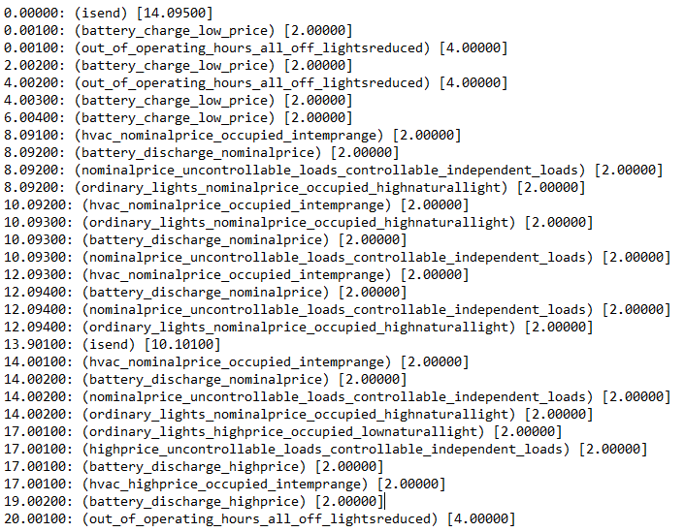
Cost per Hour
 | No optimization technique | Temporal Plan 1
 | € 2,274.57 | 7671.44
 | € 1,944.63 | 6728.74
 | € 1,600.57 | 5746.24
 | € 1,200.52 | 4479.70
 | € 1,304.75 | 4621.25
 | € 1,951.95 | 4174.68
 | € 7,897.81 | 5456.20
 | € 28,086.42 | 21254.04
 | € 80,044.75 | 62213.22
 | € 80,330.48 | 61844.81
 | € 98,924.31 | 82510.61
 | € 99,120.62 | 82767.30
 | € 89,765.17 | 73186.12
 | € 85,452.73 | 68777.05
 | € 94,162.18 | 76899.97
 | € 111,688.95 | 93544.16
 | € 120,373.06 | 47943.83
 | € 115,816.10 | 51457.59
 | € 92,295.62 | 41044.99
 | € 84,489.46 | -2628.32
 | € 52,313.78 | -2751.34
 | € 40,496.50 | -1890.30
 | € 14,652.23 | 2413.05
 | € 6,921.61 | 1268.20
Parameters | state |  | Plan Output :
Weekday | Yes
Occupancy in Hours | 7 hours ( High)
Natural Light level | High
Temperature in optimum range | yes

Low Tariff
Nominal Tariff
High Tariff
Out of Operating Hours

With Temporal Planning
Daily Hours | Tariff per hour (Eur/KW) | Tariff | Actual Tariff (Eur/KW) | Energy Storage System (KW) | Light Load Uncontrollable(KW) | Light load controllable Dependent (KW) | Light Load Controllable Independent (KW) | Heavy Load Controllable Dependent (KW) | Heavy Load Controllable Independent (KW) | Heavy Load uncontrollable (KW) | Total Energy usage (KW) | Cost per Hour (Eur)
1 | 107.21 | Low | 107.21 | 65.00 | 0.00 | 6.56 | 0.00 | 0.00 | 0.00 | 0.00 | 71.56 | 7671.44
2 | 101.1 | Low | 101.1 | 60.00 | 0.00 | 6.56 | 0.00 | 0.00 | 0.00 | 0.00 | 66.56 | 6728.74
3 | 96.73 | Low | 96.73 | 55.00 | 0.00 | 4.40 | 0.00 | 0.00 | 0.00 | 0.00 | 59.40 | 5746.24
4 | 82.34 | Low | 82.34 | 50.00 | 0.00 | 4.40 | 0.00 | 0.00 | 0.00 | 0.00 | 54.40 | 4479.70
5 | 81.93 | Low | 81.93 | 52.00 | 0.00 | 4.40 | 0.00 | 0.00 | 0.00 | 0.00 | 56.40 | 4621.25
6 | 84.03 | Low | 84.03 | 45.00 | 0.00 | 4.68 | 0.00 | 0.00 | 0.00 | 0.00 | 49.68 | 4174.68
7 | 97.25 | Low | 97.25 | 45.00 | 0.00 | 11.10 | 0.00 | 0.00 | 0.00 | 0.00 | 56.10 | 5456.20
8 | 106.51 | Nominal | 106.51 | 0.00 | 30.19 | 9.75 | 13.99 | 104.67 | 1.60 | 39.36 | 199.55 | 21254.04
9 | 120.7 | Nominal | 120.7 | 0.00 | 51.41 | 13.16 | 20.83 | 314.00 | 1.10 | 114.94 | 515.44 | 62213.22
10 | 116.86 | Nominal | 116.86 | 0.00 | 57.89 | 13.12 | 10.25 | 314.00 | 2.09 | 131.87 | 529.22 | 61844.81
11 | 112.85 | Nominal | 112.85 | 0.00 | 49.37 | 10.87 | 16.24 | 314.00 | 1.33 | 339.34 | 731.15 | 82510.61
12 | 113.37 | Nominal | 113.37 | 0.00 | 47.40 | 9.67 | 13.84 | 314.00 | 1.83 | 343.32 | 730.06 | 82767.30
13 | 115 | Nominal | 115 | 0.00 | 46.52 | 9.60 | 13.69 | 314.00 | 3.27 | 249.34 | 636.40 | 73186.12
14 | 109.78 | Low | 109.78 | 0.00 | 37.28 | 9.63 | 6.06 | 314.00 | 3.52 | 256.01 | 626.50 | 68777.05
15 | 119.71 | Nominal | 119.71 | 0.00 | 42.99 | 9.63 | 14.20 | 314.00 | 3.45 | 258.12 | 642.39 | 76899.97
16 | 125.83 | Nominal | 125.83 | 0.00 | 45.32 | 9.63 | 13.36 | 314.00 | 4.88 | 356.23 | 743.42 | 93544.16
17 | 139.57 | High | 0 | -52.00 | 24.81 | 19.26 | 0.00 | 0.00 | 0.00 | 351.44 | 343.51 | 47943.83
18 | 155.93 | High | 0 | -48.00 | 15.76 | 18.18 | 0.00 | 0.00 | 0.00 | 344.06 | 330.00 | 51457.59
19 | 163.5 | High | 0 | -44.00 | 20.17 | 32.61 | 0.00 | 0.00 | 0.00 | 242.26 | 251.04 | 41044.99
20 | 146.74 | High | 0 | -40.00 | 0.00 | 22.09 | 0.00 | 0.00 | 0.00 | 0.00 | -17.91 | -2628.32
21 | 139.38 | High | 0 | -41.60 | 0.00 | 21.86 | 0.00 | 0.00 | 0.00 | 0.00 | -19.74 | -2751.34
22 | 131.8 | High | 0 | -36.00 | 0.00 | 21.66 | 0.00 | 0.00 | 0.00 | 0.00 | -14.34 | -1890.30
23 | 129.94 | Nominal | 129.94 | 0.00 | 0.00 | 18.57 | 0.00 | 0.00 | 0.00 | 0.00 | 18.57 | 2413.05
24 | 121.3 | Nominal | 121.3 | 0.00 | 0.00 | 10.46 | 0.00 | 0.00 | 0.00 | 0.00 | 10.46 | 1268.20
Total cost of the day |  |  |  |  |  |  |  |  |  |  |  | 798733.25

scenario 2
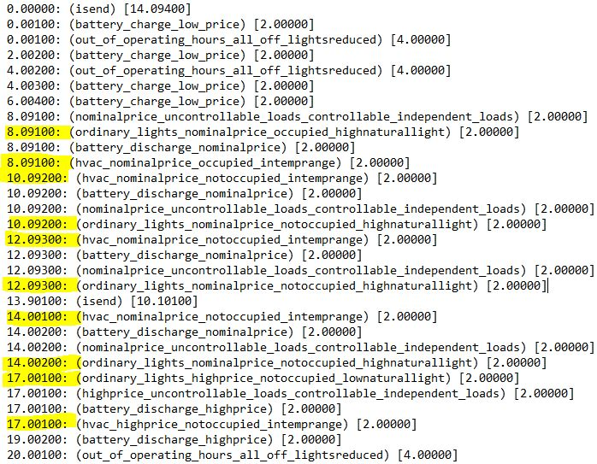
Cost per Hour
 | No optimization technique | Temporal Plan 2_Low Occupancy
 | € 2,274.57 | 7671.44
 | € 1,944.63 | 6728.74
 | € 1,600.57 | 5746.24
 | € 1,200.52 | 4479.70
 | € 1,304.75 | 4621.25
 | € 1,951.95 | 4174.68
 | € 7,897.81 | 5456.20
 | € 28,086.42 | 21254.04
 | € 80,044.75 | 62213.22
 | € 80,330.48 | 56602.86
 | € 98,924.31 | 45849.15
 | € 99,120.62 | 46072.94
 | € 89,765.17 | 35973.06
 | € 85,452.73 | 33249.30
 | € 94,162.18 | 38158.59
 | € 111,688.95 | 52822.19
 | € 120,373.06 | 45524.45
 | € 115,816.10 | 48906.16
 | € 92,295.62 | 36247.02
 | € 84,489.46 | -2628.32
 | € 52,313.78 | -2751.34
 | € 40,496.50 | -1890.30
 | € 14,652.23 | 2413.05
 | € 6,921.61 | 1268.20
Parameters | state |  | Plan Output :
Weekday | Yes
Occupancy in Hours | 4 hours(Low)
Natural Light level | High
Temperature in optimum range | yes
Note: Change in Occupancy with respect to Plan 1

Low Tariff
Nominal Tariff
High Tariff
Out of Operating Hours

With Temporal Planning
Daily Hours | Tariff per hour (Eur/KW) | Tariff | Actual Tariff (Eur/KW) | Energy Storage System (KW) | Light Load Uncontrollable(KW) | Light load controllable Dependent (KW) | Light Load Controllable Independent (KW) | Heavy Load Controllable Dependent (KW) | Heavy Load Controllable Independent (KW) | Heavy Load uncontrollable (KW) | Total Energy usage (KW) | Cost per Hour (Eur)
1 | 107.21 | Low | 107.21 | 65.00 | 0.00 | 6.56 | 0.00 | 0.00 | 0.00 | 0.00 | 71.56 | 7671.44
2 | 101.1 | Low | 101.1 | 60.00 | 0.00 | 6.56 | 0.00 | 0.00 | 0.00 | 0.00 | 66.56 | 6728.74
3 | 96.73 | Low | 96.73 | 55.00 | 0.00 | 4.40 | 0.00 | 0.00 | 0.00 | 0.00 | 59.40 | 5746.24
4 | 82.34 | Low | 82.34 | 50.00 | 0.00 | 4.40 | 0.00 | 0.00 | 0.00 | 0.00 | 54.40 | 4479.70
5 | 81.93 | Low | 81.93 | 52.00 | 0.00 | 4.40 | 0.00 | 0.00 | 0.00 | 0.00 | 56.40 | 4621.25
6 | 84.03 | Low | 84.03 | 45.00 | 0.00 | 4.68 | 0.00 | 0.00 | 0.00 | 0.00 | 49.68 | 4174.68
7 | 97.25 | Low | 97.25 | 45.00 | 0.00 | 11.10 | 0.00 | 0.00 | 0.00 | 0.00 | 56.10 | 5456.20
8 | 106.51 | Nominal | 106.51 | 0.00 | 30.19 | 9.75 | 13.99 | 104.67 | 1.60 | 39.36 | 199.55 | 21254.04
9 | 120.7 | Nominal | 120.7 | 0.00 | 51.41 | 13.16 | 20.83 | 314.00 | 1.10 | 114.94 | 515.44 | 62213.22
10 | 116.86 | Nominal | 116.86 | 0.00 | 57.89 | 13.12 | 10.25 | 269.14 | 2.09 | 131.87 | 484.36 | 56602.86
11 | 112.85 | Nominal | 112.85 | 0.00 | 49.37 | 0.00 | 16.24 | 0.00 | 1.33 | 339.34 | 406.28 | 45849.15
12 | 113.37 | Nominal | 113.37 | 0.00 | 47.40 | 0.00 | 13.84 | 0.00 | 1.83 | 343.32 | 406.39 | 46072.94
13 | 115 | Nominal | 115 | 0.00 | 46.52 | 0.00 | 13.69 | 0.00 | 3.27 | 249.34 | 312.81 | 35973.06
14 | 109.78 | Low | 109.78 | 0.00 | 37.28 | 0.00 | 6.06 | 0.00 | 3.52 | 256.01 | 302.87 | 33249.30
15 | 119.71 | Nominal | 119.71 | 0.00 | 42.99 | 0.00 | 14.20 | 0.00 | 3.45 | 258.12 | 318.76 | 38158.59
16 | 125.83 | Nominal | 125.83 | 0.00 | 45.32 | 0.00 | 13.36 | 0.00 | 4.88 | 356.23 | 419.79 | 52822.19
17 | 139.57 | High | 0 | -52.00 | 24.81 | 1.93 | 0.00 | 0.00 | 0.00 | 351.44 | 326.18 | 45524.45
18 | 155.93 | High | 0 | -48.00 | 15.76 | 1.82 | 0.00 | 0.00 | 0.00 | 344.06 | 313.64 | 48906.16
19 | 163.5 | High | 0 | -44.00 | 20.17 | 3.26 | 0.00 | 0.00 | 0.00 | 242.26 | 221.69 | 36247.02
20 | 146.74 | High | 0 | -40.00 | 0.00 | 22.09 | 0.00 | 0.00 | 0.00 | 0.00 | -17.91 | -2628.32
21 | 139.38 | High | 0 | -41.60 | 0.00 | 21.86 | 0.00 | 0.00 | 0.00 | 0.00 | -19.74 | -2751.34
22 | 131.8 | High | 0 | -36.00 | 0.00 | 21.66 | 0.00 | 0.00 | 0.00 | 0.00 | -14.34 | -1890.30
23 | 129.94 | Nominal | 129.94 | 0.00 | 0.00 | 18.57 | 0.00 | 0.00 | 0.00 | 0.00 | 18.57 | 2413.05
24 | 121.3 | Nominal | 121.3 | 0.00 | 0.00 | 10.46 | 0.00 | 0.00 | 0.00 | 0.00 | 10.46 | 1268.20
Total cost of the day |  |  |  |  |  |  |  |  |  |  |  | 558162.54

scenario 3
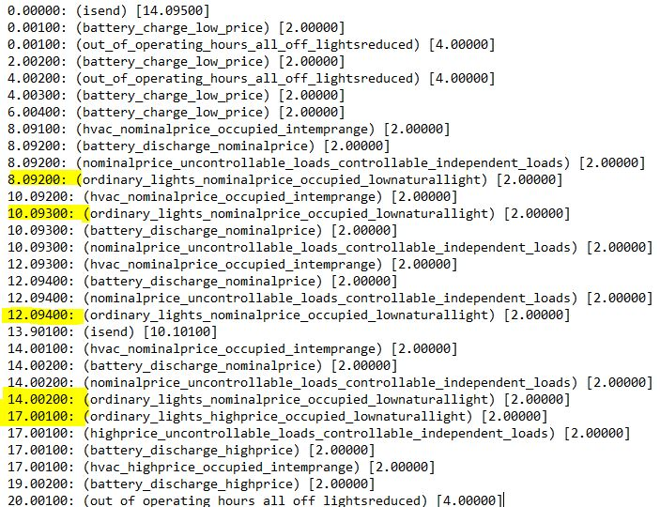
Cost per Hour
 | No optimization technique | Temporal Plan 3_Low Natural Light
 | € 2,274.57 | 7671.44
 | € 1,944.63 | 6728.74
 | € 1,600.57 | 5746.24
 | € 1,200.52 | 4479.70
 | € 1,304.75 | 4621.25
 | € 1,951.95 | 4174.68
 | € 7,897.81 | 5456.20
 | € 28,086.42 | 21254.04
 | € 80,044.75 | 62213.22
 | € 80,330.48 | 61844.81
 | € 98,924.31 | 82510.61
 | € 99,120.62 | 82767.30
 | € 89,765.17 | 73186.12
 | € 85,452.73 | 68777.05
 | € 94,162.18 | 76899.97
 | € 111,688.95 | 93544.16
 | € 120,373.06 | 47943.83
 | € 115,816.10 | 51457.59
 | € 92,295.62 | 41044.99
 | € 84,489.46 | -2628.32
 | € 52,313.78 | -2751.34
 | € 40,496.50 | -1890.30
 | € 14,652.23 | 2413.05
 | € 6,921.61 | 1268.20
Note: Change in Natural Light with respect to Plan 1 |  |  | Plan Output :
Parameters | state
Weekday | Yes
Occupancy in Hours | 7 hours
Natural Light level | Low
Temperature in optimum range | yes

Low Tariff
Nominal Tariff
High Tariff
Out of Operating Hours

With Temporal Planning
Daily Hours | Tariff per hour (Eur/KW) | Tariff | Actual Tariff (Eur/KW) | Energy Storage System (KW) | Light Load Uncontrollable(KW) | Light load controllable Dependent (KW) | Light Load Controllable Independent (KW) | Heavy Load Controllable Dependent (KW) | Heavy Load Controllable Independent (KW) | Heavy Load uncontrollable (KW) | Total Energy usage (KW) | Cost per Hour (Eur)
1 | 107.21 | Low | 107.21 | 65.00 | 0.00 | 6.56 | 0.00 | 0.00 | 0.00 | 0.00 | 71.56 | 7671.44
2 | 101.1 | Low | 101.1 | 60.00 | 0.00 | 6.56 | 0.00 | 0.00 | 0.00 | 0.00 | 66.56 | 6728.74
3 | 96.73 | Low | 96.73 | 55.00 | 0.00 | 4.40 | 0.00 | 0.00 | 0.00 | 0.00 | 59.40 | 5746.24
4 | 82.34 | Low | 82.34 | 50.00 | 0.00 | 4.40 | 0.00 | 0.00 | 0.00 | 0.00 | 54.40 | 4479.70
5 | 81.93 | Low | 81.93 | 52.00 | 0.00 | 4.40 | 0.00 | 0.00 | 0.00 | 0.00 | 56.40 | 4621.25
6 | 84.03 | Low | 84.03 | 45.00 | 0.00 | 4.68 | 0.00 | 0.00 | 0.00 | 0.00 | 49.68 | 4174.68
7 | 97.25 | Low | 97.25 | 45.00 | 0.00 | 11.10 | 0.00 | 0.00 | 0.00 | 0.00 | 56.10 | 5456.20
8 | 106.51 | Nominal | 106.51 | 0.00 | 30.19 | 18.52 | 13.99 | 104.67 | 1.60 | 39.36 | 208.32 | 22188.32
9 | 120.7 | Nominal | 120.7 | 0.00 | 51.41 | 25.01 | 20.83 | 314.00 | 1.10 | 114.94 | 527.28 | 63643.26
10 | 116.86 | Nominal | 116.86 | 0.00 | 57.89 | 24.93 | 10.25 | 314.00 | 2.09 | 131.87 | 541.03 | 63224.92
11 | 112.85 | Nominal | 112.85 | 0.00 | 49.37 | 20.66 | 16.24 | 314.00 | 1.33 | 339.34 | 740.94 | 83614.86
12 | 113.37 | Nominal | 113.37 | 0.00 | 47.40 | 18.38 | 13.84 | 314.00 | 1.83 | 343.32 | 738.77 | 83754.21
13 | 115 | Nominal | 115 | 0.00 | 46.52 | 18.23 | 13.69 | 314.00 | 3.27 | 249.34 | 645.04 | 74179.23
14 | 109.78 | Low | 109.78 | 0.00 | 37.28 | 18.30 | 6.06 | 314.00 | 3.52 | 256.01 | 635.17 | 69728.55
15 | 119.71 | Nominal | 119.71 | 0.00 | 42.99 | 18.30 | 14.20 | 314.00 | 3.45 | 258.12 | 651.05 | 77937.53
16 | 125.83 | Nominal | 125.83 | 0.00 | 45.32 | 18.30 | 13.36 | 314.00 | 4.88 | 356.23 | 752.08 | 94634.76
17 | 139.57 | High | 0 | -52.00 | 24.81 | 17.72 | 0.00 | 0.00 | 0.00 | 351.44 | 341.97 | 47728.77
18 | 155.93 | High | 0 | -48.00 | 15.76 | 16.73 | 0.00 | 0.00 | 0.00 | 344.06 | 328.55 | 51230.80
19 | 163.5 | High | 0 | -44.00 | 20.17 | 30.00 | 0.00 | 0.00 | 0.00 | 242.26 | 248.43 | 40618.51
20 | 146.74 | High | 0 | -40.00 | 0.00 | 22.09 | 0.00 | 0.00 | 0.00 | 0.00 | -17.91 | -2628.32
21 | 139.38 | High | 0 | -41.60 | 0.00 | 21.86 | 0.00 | 0.00 | 0.00 | 0.00 | -19.74 | -2751.34
22 | 131.8 | High | 0 | -36.00 | 0.00 | 21.66 | 0.00 | 0.00 | 0.00 | 0.00 | -14.34 | -1890.30
23 | 129.94 | Nominal | 129.94 | 0.00 | 0.00 | 18.57 | 0.00 | 0.00 | 0.00 | 0.00 | 18.57 | 2413.05
24 | 121.3 | Nominal | 121.3 | 0.00 | 0.00 | 10.46 | 0.00 | 0.00 | 0.00 | 0.00 | 10.46 | 1268.20
Total cost of the day |  |  |  |  |  |  |  |  |  |  |  | 807773.26

scenario 4
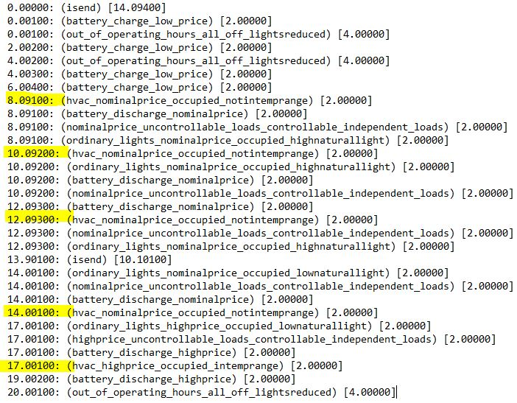
Cost per Hour
 | No optimization technique | Temporal Plan 4_ Not In Temp Range
 | € 2,274.57 | 7671.44
 | € 1,944.63 | 6728.74
 | € 1,600.57 | 5746.24
 | € 1,200.52 | 4479.70
 | € 1,304.75 | 4621.25
 | € 1,951.95 | 4174.68
 | € 7,897.81 | 5456.20
 | € 28,086.42 | 21254.04
 | € 80,044.75 | 62213.22
 | € 80,330.48 | 61844.81
 | € 98,924.31 | 82510.61
 | € 99,120.62 | 82767.30
 | € 89,765.17 | 73186.12
 | € 85,452.73 | 68777.05
 | € 94,162.18 | 76899.97
 | € 111,688.95 | 93544.16
 | € 120,373.06 | 47943.83
 | € 115,816.10 | 51457.59
 | € 92,295.62 | 41044.99
 | € 84,489.46 | -2628.32
 | € 52,313.78 | -2751.34
 | € 40,496.50 | -1890.30
 | € 14,652.23 | 2413.05
 | € 6,921.61 | 1268.20
Note: Change in Temp Range with respect to Plan 1 |  |  | Plan Output :
Parameters | state
Weekday | Yes
Occupancy in Hours | 7 hours
Natural Light level | High
Temperature in optimum range | No

Low Tariff
Nominal Tariff
High Tariff
Out of Operating Hours

With Temporal Planning
Daily Hours | Tariff per hour (Eur/KW) | Tariff | Actual Tariff (Eur/KW) | Energy Storage System (KW) | Light Load Uncontrollable(KW) | Light load controllable Dependent (KW) | Light Load Controllable Independent (KW) | Heavy Load Controllable Dependent (KW) | Heavy Load Controllable Independent (KW) | Heavy Load uncontrollable (KW) | Total Energy usage (KW) | Cost per Hour (Eur)
1 | 107.21 | Low | 107.21 | 65.00 | 0.00 | 6.56 | 0.00 | 0.00 | 0.00 | 0.00 | 71.56 | 7671.44
2 | 101.1 | Low | 101.1 | 60.00 | 0.00 | 6.56 | 0.00 | 0.00 | 0.00 | 0.00 | 66.56 | 6728.74
3 | 96.73 | Low | 96.73 | 55.00 | 0.00 | 4.40 | 0.00 | 0.00 | 0.00 | 0.00 | 59.40 | 5746.24
4 | 82.34 | Low | 82.34 | 50.00 | 0.00 | 4.40 | 0.00 | 0.00 | 0.00 | 0.00 | 54.40 | 4479.70
5 | 81.93 | Low | 81.93 | 52.00 | 0.00 | 4.40 | 0.00 | 0.00 | 0.00 | 0.00 | 56.40 | 4621.25
6 | 84.03 | Low | 84.03 | 45.00 | 0.00 | 4.68 | 0.00 | 0.00 | 0.00 | 0.00 | 49.68 | 4174.68
7 | 97.25 | Low | 97.25 | 45.00 | 0.00 | 11.10 | 0.00 | 0.00 | 0.00 | 0.00 | 56.10 | 5456.20
8 | 106.51 | Nominal | 106.51 | 0.00 | 30.19 | 9.75 | 13.99 | 134.57 | 1.60 | 39.36 | 229.45 | 24439.16
9 | 120.7 | Nominal | 120.7 | 0.00 | 51.41 | 13.16 | 20.83 | 403.71 | 1.10 | 114.94 | 605.15 | 73041.61
10 | 116.86 | Nominal | 116.86 | 0.00 | 57.89 | 13.12 | 10.25 | 403.71 | 2.09 | 131.87 | 618.93 | 72328.70
11 | 112.85 | Nominal | 112.85 | 0.00 | 49.37 | 10.87 | 16.24 | 426.14 | 1.33 | 339.34 | 843.29 | 95165.79
12 | 113.37 | Nominal | 113.37 | 0.00 | 47.40 | 9.67 | 13.84 | 403.71 | 1.83 | 343.32 | 819.78 | 92938.10
13 | 115 | Nominal | 115 | 0.00 | 46.52 | 9.60 | 13.69 | 403.71 | 3.27 | 249.34 | 726.11 | 83503.15
14 | 109.78 | Low | 109.78 | 0.00 | 37.28 | 9.63 | 6.06 | 403.71 | 3.52 | 256.01 | 716.21 | 78625.78
15 | 119.71 | Nominal | 119.71 | 0.00 | 42.99 | 9.63 | 14.20 | 403.71 | 3.45 | 258.12 | 732.10 | 87639.55
16 | 125.83 | Nominal | 125.83 | 0.00 | 45.32 | 9.63 | 13.36 | 403.71 | 4.88 | 356.23 | 833.13 | 104832.79
17 | 139.57 | High | 0 | -52.00 | 24.81 | 19.26 | 0.00 | 0.00 | 0.00 | 351.44 | 343.51 | 47943.83
18 | 155.93 | High | 0 | -48.00 | 15.76 | 18.18 | 0.00 | 0.00 | 0.00 | 344.06 | 330.00 | 51457.59
19 | 163.5 | High | 0 | -44.00 | 20.17 | 32.61 | 0.00 | 0.00 | 0.00 | 242.26 | 251.04 | 41044.99
20 | 146.74 | High | 0 | -40.00 | 0.00 | 22.09 | 0.00 | 0.00 | 0.00 | 0.00 | -17.91 | -2628.32
21 | 139.38 | High | 0 | -41.60 | 0.00 | 21.86 | 0.00 | 0.00 | 0.00 | 0.00 | -19.74 | -2751.34
22 | 131.8 | High | 0 | -36.00 | 0.00 | 21.66 | 0.00 | 0.00 | 0.00 | 0.00 | -14.34 | -1890.30
23 | 129.94 | Nominal | 129.94 | 0.00 | 0.00 | 18.57 | 0.00 | 0.00 | 0.00 | 0.00 | 18.57 | 2413.05
24 | 121.3 | Nominal | 121.3 | 0.00 | 0.00 | 10.46 | 0.00 | 0.00 | 0.00 | 0.00 | 10.46 | 1268.20
Total cost of the day |  |  |  |  |  |  |  |  |  |  |  | 888250.61

Weekend_Dataset
 |  |  |  |  |  |  |  |  |  |  | Commericial building dataset with no optimization technique applied
Dataset Without Temporal Planning (Out of Operating Hours / Weekends/ Public Holidays) |  |  |  |  |  |  |  |  |  |  | Data taken from office of Energy Efficiency & Renewable Energy US
Daily Hours | Tariff per hour (Eur/KW) | Tariff | Light Load Uncontrollable(KW) | Light load controllable Dependent (KW) | Light Load Controllable Independent (KW) | Heavy Load Controllable Dependent (KW) | Heavy Load Controllable Independent (KW) | Heavy Load uncontrollable (KW) | Total Energy usage (KW) | Cost per Hour (Eur)
1 | 107.21 | Low | 0 | 9.93 | 0 | 0 | 0 | 0 | 9.93 | € 1,064.11
2 | 101.1 | Low | 0 | 9.93 | 0 | 0 | 0 | 0 | 9.93 | € 1,003.46 | Building type | Floor area (FT^2) | Number of floors
3 | 96.73 | Low | 0 | 7.34 | 0 | 0 | 0 | 0 | 7.34 | € 710.15 | Medium office | 53,628 | 3
4 | 82.34 | Low | 0 | 7.34 | 0 | 0 | 0 | 0 | 7.34 | € 604.50
Cost per hour
5 | 81.93 | Low | 0 | 7.34 | 0 | 0 | 0 | 0 | 7.34 | € 601.49
6 | 84.03 | Low | 0 | 7.80 | 0 | 0 | 0 | 0 | 7.80 | € 655.55
7 | 97.25 | Low | 0 | 8.51 | 0 | 0 | 0 | 0 | 8.51 | € 827.42
8 | 106.51 | Nominal | 0 | 9.49 | 0 | 0 | 0 | 0 | 9.49 | € 1,011.06
9 | 120.7 | Nominal | 0 | 10.33 | 0 | 0 | 0 | 0 | 10.33 | € 1,246.67
10 | 116.86 | Nominal | 0 | 10.24 | 0 | 0 | 0 | 0 | 10.24 | € 1,197.15
11 | 112.85 | Nominal | 0 | 9.74 | 0 | 0 | 0 | 0 | 9.74 | € 1,099.69
12 | 113.37 | Nominal | 0 | 8.34 | 0 | 0 | 0 | 0 | 8.34 | € 946.06
13 | 115 | Nominal | 0 | 8.19 | 0 | 0 | 0 | 0 | 8.19 | € 941.91
14 | 109.78 | Low | 0 | 8.26 | 0 | 0 | 0 | 0 | 8.26 | € 906.85
15 | 119.71 | Nominal | 0 | 8.26 | 0 | 0 | 0 | 0 | 8.26 | € 988.87
16 | 125.83 | Nominal | 0 | 8.26 | 0 | 0 | 0 | 0 | 8.26 | € 1,039.43
17 | 139.57 | High | 0 | 8.26 | 0 | 0 | 0 | 0 | 8.26 | € 1,152.93
18 | 155.93 | High | 0 | 9.18 | 0 | 0 | 0 | 0 | 9.18 | € 1,431.56
19 | 163.5 | High | 0 | 10.61 | 0 | 0 | 0 | 0 | 10.61 | € 1,734.08
20 | 146.74 | High | 0 | 12.81 | 0 | 0 | 0 | 0 | 12.81 | € 1,880.38
21 | 139.38 | High | 0 | 14.43 | 0 | 0 | 0 | 0 | 14.43 | € 2,011.76
22 | 131.8 | High | 0 | 14.10 | 0 | 0 | 0 | 0 | 14.10 | € 1,857.90
23 | 129.94 | Nominal | 0 | 13.95 | 0 | 0 | 0 | 0 | 13.95 | € 1,812.76
24 | 121.3 | Nominal | 0 | 9.43 | 0 | 0 | 0 | 0 | 9.43 | € 1,143.26
Total cost of the day: |  |  |  |  |  |  |  |  |  | € 27,869.02

Weekend_scenario
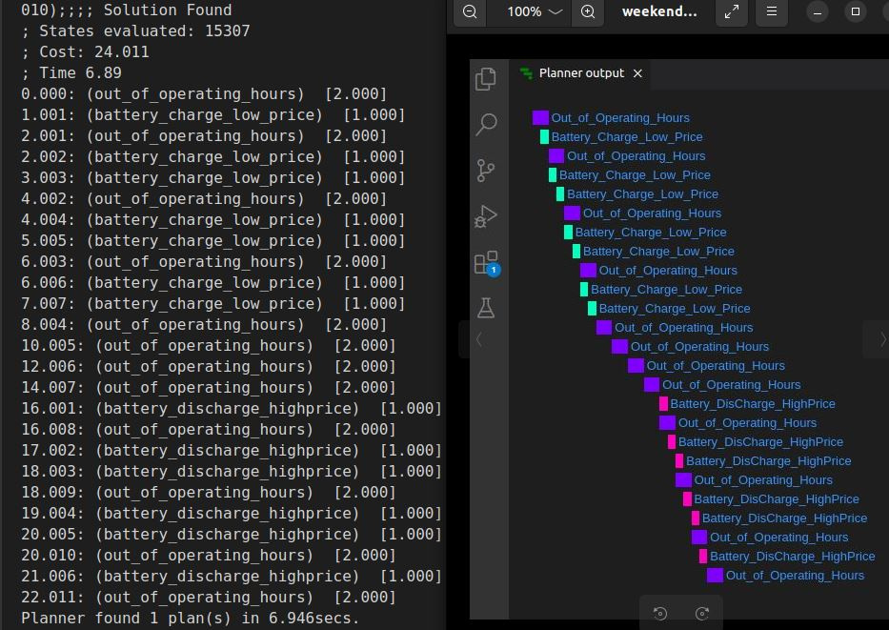
Cost per Hour
 | No optimization technique | Temporal Plan weekend
 | € 1,064.11 | 8032.76
 | € 1,003.46 | 7069.46
 | € 710.15 | 6030.30
 | € 604.50 | 4721.50
 | € 601.49 | 4861.85
 | € 655.55 | 4436.90
 | € 827.42 | 5203.67
 | € 1,011.06 | 1011.06
 | € 1,246.67 | 1246.67
 | € 1,197.15 | 1197.15
 | € 1,099.69 | 1099.69
 | € 946.06 | 946.06
 | € 941.91 | 941.91
 | € 906.85 | 906.85
 | € 988.87 | 988.87
 | € 1,039.43 | 1039.43
 | € 1,152.93 | -7360.84
 | € 1,431.56 | -7300.52
 | € 1,734.08 | -6604.42
 | € 1,880.38 | -4869.66
 | € 2,011.76 | -5236.00
 | € 1,857.90 | -4073.10
 | € 1,812.76 | 0.00
 | € 1,143.26 | 1143.26
Parameters | state |  | Plan Output:
Weekday | NO
Occupancy in Hours | OFF
Natural Light level | OFF
Temperature in optimum range | OFF

with Temporal Planning (Out of Operating Hours / Weekends/ Public Holidays)
Daily Hours | Tariff per hour (Eur/KW) | Tariff | Actual Tariff applied (Eur/KW) | Energy Storage System (KW) | Light Load Uncontrollable(KW) | Light load controllable Dependent (KW) | Light Load Controllable Independent (KW) | Heavy Load Controllable Dependent (KW) | Heavy Load Controllable Independent (KW) | Heavy Load uncontrollable (KW) | Total Energy usage (KW) | Cost per Hour (Eur)
1 | 107.21 | Low | 107.21 | 65.00 | 0.00 | 9.93 | 0.00 | 0.00 | 0.00 | 0.00 | 74.93 | 8032.76
2 | 101.1 | Low | 101.1 | 60.00 | 0.00 | 9.93 | 0.00 | 0.00 | 0.00 | 0.00 | 69.93 | 7069.46
3 | 96.73 | Low | 96.73 | 55.00 | 0.00 | 7.34 | 0.00 | 0.00 | 0.00 | 0.00 | 62.34 | 6030.30
4 | 82.34 | Low | 82.34 | 50.00 | 0.00 | 7.34 | 0.00 | 0.00 | 0.00 | 0.00 | 57.34 | 4721.50
5 | 81.93 | Low | 81.93 | 52.00 | 0.00 | 7.34 | 0.00 | 0.00 | 0.00 | 0.00 | 59.34 | 4861.85
6 | 84.03 | Low | 84.03 | 45.00 | 0.00 | 7.80 | 0.00 | 0.00 | 0.00 | 0.00 | 52.80 | 4436.90
7 | 97.25 | Low | 97.25 | 45.00 | 0.00 | 8.51 | 0.00 | 0.00 | 0.00 | 0.00 | 53.51 | 5203.67
8 | 106.51 | Nominal | 106.51 | 0.00 | 0.00 | 9.49 | 0.00 | 0.00 | 0.00 | 0.00 | 9.49 | 1011.06
9 | 120.7 | Nominal | 120.7 | 0.00 | 0.00 | 10.33 | 0.00 | 0.00 | 0.00 | 0.00 | 10.33 | 1246.67
10 | 116.86 | Nominal | 116.86 | 0.00 | 0.00 | 10.24 | 0.00 | 0.00 | 0.00 | 0.00 | 10.24 | 1197.15
11 | 112.85 | Nominal | 112.85 | 0.00 | 0.00 | 9.74 | 0.00 | 0.00 | 0.00 | 0.00 | 9.74 | 1099.69
12 | 113.37 | Nominal | 113.37 | 0.00 | 0.00 | 8.34 | 0.00 | 0.00 | 0.00 | 0.00 | 8.34 | 946.06
13 | 115 | Nominal | 115 | 0.00 | 0.00 | 8.19 | 0.00 | 0.00 | 0.00 | 0.00 | 8.19 | 941.91
14 | 109.78 | Low | 109.78 | 0.00 | 0.00 | 8.26 | 0.00 | 0.00 | 0.00 | 0.00 | 8.26 | 906.85
15 | 119.71 | Nominal | 119.71 | 0.00 | 0.00 | 8.26 | 0.00 | 0.00 | 0.00 | 0.00 | 8.26 | 988.87
16 | 125.83 | Nominal | 0 | 0.00 | 0.00 | 8.26 | 0.00 | 0.00 | 0.00 | 0.00 | 8.26 | 1039.43
17 | 139.57 | High | 0 | -61.00 | 0.00 | 8.26 | 0.00 | 0.00 | 0.00 | 0.00 | -52.74 | -7360.84
18 | 155.93 | High | 0 | -56.00 | 0.00 | 9.18 | 0.00 | 0.00 | 0.00 | 0.00 | -46.82 | -7300.52
19 | 163.5 | High | 0 | -51.00 | 0.00 | 10.61 | 0.00 | 0.00 | 0.00 | 0.00 | -40.39 | -6604.42
20 | 146.74 | High | 0 | -46.00 | 0.00 | 12.81 | 0.00 | 0.00 | 0.00 | 0.00 | -33.19 | -4869.66
21 | 139.38 | High | 0 | -52.00 | 0.00 | 14.43 | 0.00 | 0.00 | 0.00 | 0.00 | -37.57 | -5236.00
22 | 131.8 | High | 0 | -45.00 | 0.00 | 14.10 | 0.00 | 0.00 | 0.00 | 0.00 | -30.90 | -4073.10
23 | 129.94 | Nominal | 0 | 0.00 | 0.00 | 13.95 | 0.00 | 0.00 | 0.00 | 0.00 | 13.95 | 0.00
24 | 121.3 | Nominal | 121.3 | 0.00 | 0.00 | 9.43 | 0.00 | 0.00 | 0.00 | 0.00 | 9.43 | 1143.26
Total cost of the day |  |  |  |  |  |  |  |  |  |  |  | 15432.86

Final Evlauation
Cost per Hour - Weekday
 | No optimization technique | Temporal plan 1 | Tmporal Plan 2_Low Occupancy | Temporal Plan 3_Low Natural Light | Temporal Plan 4_ Not In Temp Range
 | € 2,274.57 | 7671.44 | 7671.44 | 7671.44 | 7671.44
 | € 1,944.63 | 6728.74 | 6728.74 | 6728.74 | 6728.74
 | € 1,600.57 | 5746.24 | 5746.24 | 5746.24 | 5746.24
 | € 1,200.52 | 4479.70 | 4479.70 | 4479.70 | 4479.70
 | € 1,304.75 | 4621.25 | 4621.25 | 4621.25 | 4621.25
 | € 1,951.95 | 4174.68 | 4174.68 | 4174.68 | 4174.68
 | € 7,897.81 | 5456.20 | 5456.20 | 5456.20 | 5456.20
 | € 28,086.42 | 21254.04 | 21254.04 | 22188.32 | 24439.16
 | € 80,044.75 | 62213.22 | 62213.22 | 63643.26 | 73041.61
 | € 80,330.48 | 61844.81 | 56602.86 | 63224.92 | 72328.70
 | € 98,924.31 | 82510.61 | 45849.15 | 83614.86 | 95165.79
 | € 99,120.62 | 82767.30 | 46072.94 | 83754.21 | 92938.10
 | € 89,765.17 | 73186.12 | 35973.06 | 74179.23 | 83503.15
 | € 85,452.73 | 68777.05 | 33249.30 | 69728.55 | 78625.78
 | € 94,162.18 | 76899.97 | 38158.59 | 77937.53 | 87639.55
 | € 111,688.95 | 93544.16 | 52822.19 | 94634.76 | 104832.79
 | € 120,373.06 | 47943.83 | 45524.45 | 47728.77 | 47943.83
 | € 115,816.10 | 51457.59 | 48906.16 | 51230.80 | 51457.59
 | € 92,295.62 | 41044.99 | 36247.02 | 40618.51 | 41044.99
 | € 84,489.46 | -2628.32 | -2628.32 | -2628.32 | -2628.32
 | € 52,313.78 | -2751.34 | -2751.34 | -2751.34 | -2751.34
 | € 40,496.50 | -1890.30 | -1890.30 | -1890.30 | -1890.30
 | € 14,652.23 | 2413.05 | 2413.05 | 2413.05 | 2413.05
 | € 6,921.61 | 1268.20 | 1268.20 | 1268.20 | 1268.20
Weekdays
Plans | Parameters | cost per day with Temporal optimization (Eur) | Cost of Dataset without optimization technique (Eur) | Cost optimized per day (Eur) | Cost optimized per day percentage
Plan 1 | High Occupancy, NaturalLight & Temp in range | € 798,755.00 | € 1,313,108.74 | € 514,353.74 | 39%
Plan 2 | Low Occupancy with respect to Plan 1 | € 558,162.54 | € 1,313,108.74 | € 754,946.20 | 57%
Plan 3 | Low Natural Light with respect to Plan 1 | € 807,773.26 | € 1,313,108.74 | € 505,335.48 | 38%
Plan 4 | Change in Temp Range with respect to Plan 1 | € 888,250.61 | € 1,313,108.74 | € 424,858.13 | 32%
Average |  |  |  | € 549,873.39 | 41.88%

Cost per Hour - Weekend/Holiday
 | No optimization technique | Temporal Plan weekend
 | € 1,064.11 | 8032.76
 | € 1,003.46 | 7069.46
 | € 710.15 | 6030.30
 | € 604.50 | 4721.50
 | € 601.49 | 4861.85
 | € 655.55 | 4436.90
 | € 827.42 | 5203.67
 | € 1,011.06 | 1011.06
 | € 1,246.67 | 1246.67
 | € 1,197.15 | 1197.15
 | € 1,099.69 | 1099.69
 | € 946.06 | 946.06
 | € 941.91 | 941.91
 | € 906.85 | 906.85
 | € 988.87 | 988.87
 | € 1,039.43 | 1039.43
 | € 1,152.93 | -7360.84
 | € 1,431.56 | -7300.52
 | € 1,734.08 | -6604.42
 | € 1,880.38 | -4869.66
 | € 2,011.76 | -5236.00
 | € 1,857.90 | -4073.10
 | € 1,812.76 | 0.00
 | € 1,143.26 | 1143.26
Weekends/ Holidays
Plans | Parameters | cost per day with Temporal optimization (Eur) | Cost of Dataset without optimization technique (Eur) | Cost optimized per day (Eur)
Weekend_Plan | all OFF except Battery and Ordinary Lights | € 15,432.86 | € 27,869.02 | € 12,436.16
Percentage |  |  |  | 44.62%

 |  | Evaluation Final Output
 |  | Per Day Cost Optimization on Average
 |  | Weekday | 42%
 |  | Weekend | 45%

